Census Regions
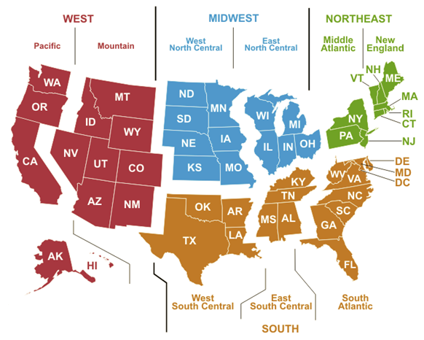
Back to Index
MNUMCR | Census Regions |  | https://www.eia.gov/consumption/commercial/maps.php
01_New_England | 1 | CT,MA,ME,NH,RI,VT
02_Middle_Atlantic | 2 | NY,NJ,PA
03_East_North_Central | 3 | OH,IL,IN,MI,WI
04_West_North_Central | 4 | MN,ND,SD,IA,NE,KS,MO
05_South_Atlantic | 5 | DE,MD,DC,WV,VA,NC,SC,GA,FL
06_East_South_Central | 6 | KY,TN,AL,MS
07_West_South_Central | 7 | AR,LA,OK,TX
08_Mountain | 8 | MT,ID,WY,CO,NV,UT,AZ,NM
09_Pacific | 9 | OR,WA,CA
10_Unused | 10 | Not used
11_United_States | 11 | National

Coal Demand Regions
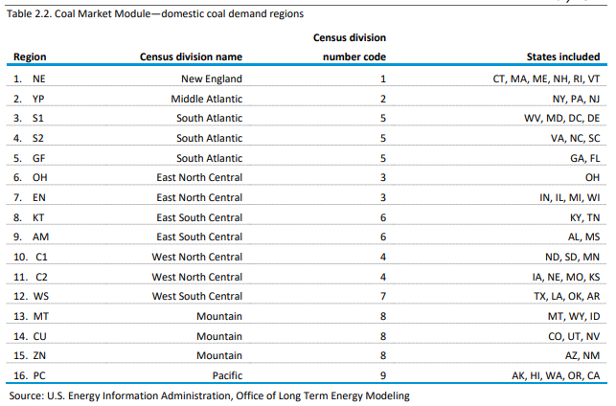
Back to Index
NDRGN1 | CoalRegion
01_NDRGN1 | 1 | CT,MA,ME,NH,RI,VT
02_NDRGN1 | 2 | NY,NJ,PA
03_NDRGN1 | 3 | DE,MD,DC,WV
04_NDRGN1 | 4 | VA,NC,SC
05_NDRGN1 | 5 | GA,FL
06_NDRGN1 | 6 | OH
07_NDRGN1 | 7 | IL,IN,MI,WI
08_NDRGN1 | 8 | KY,TN
09_NDRGN1 | 9 | AL,MS
10_NDRGN1 | 10 | MN,ND,SD
11_NDRGN1 | 11 | IA,NE,KS,MO
12_NDRGN1 | 12 | AR,LA,OK,TX
13_NDRGN1 | 13 | MT,ID,WY
14_NDRGN1 | 14 | CO,NV,UT
15_NDRGN1 | 15 | AZ,NM
16_NDRGN1 | 16 | AK,HI,OR,WA,CA
17_NDRGN1 | 17 | National

